Screenshot
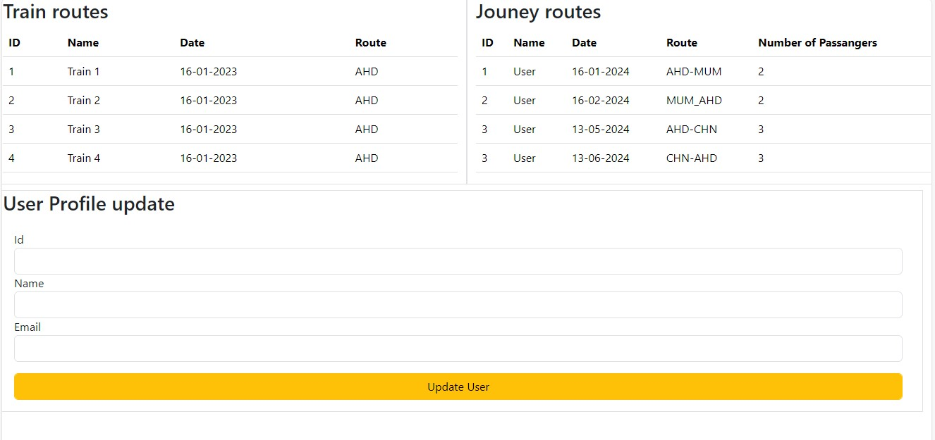

US004-Sprint4

US005-Sprint4



US006-Sprint4



US007-Sprint4



US010-Sprint4

Food Menu

US011_1-Sprint4

Menu List

US011_2-Sprint4

Food Order History

US011_3-Sprint4

Food Order Status

US011_4-Sprint4

US012-Sprint4

